Sheet1
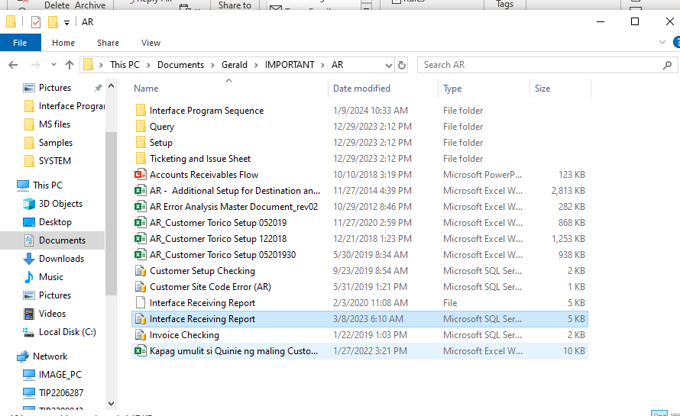

REPORT NUNG NAKARAANG BUWAN

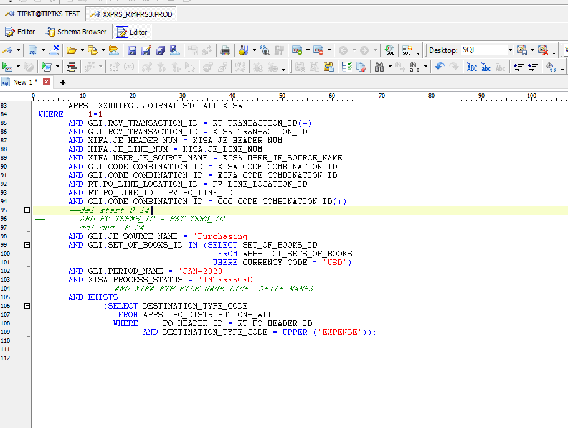

 |  | PERIOD_NAME CHANGE EX. If JAN-2024 ngayon then change to DEC-2023

 |  | EXPENSE AND PERIOD_NAME will CHANGE

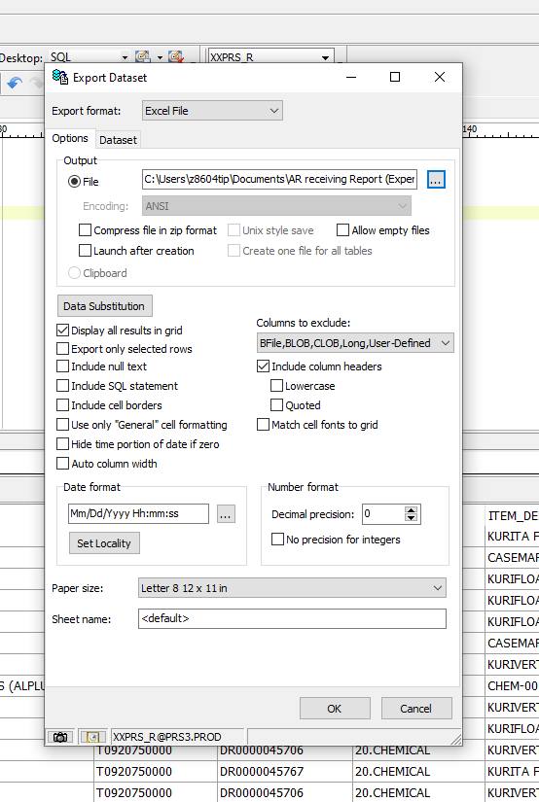

 |  |  | CHECKING OF ROWS IS OPTIONAL

 |  | right click on result set then choose 'export dataset'

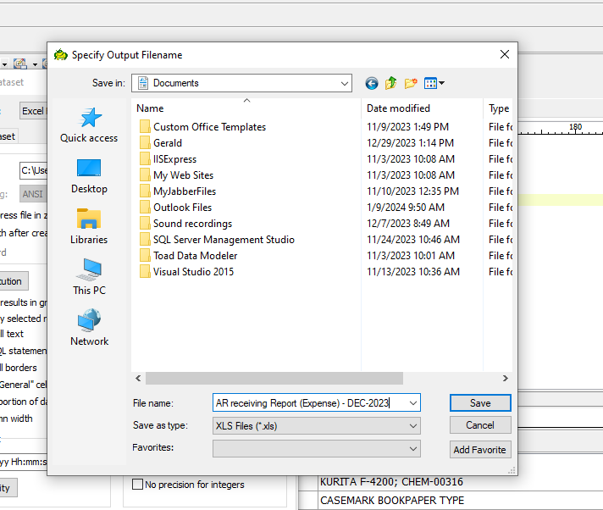

 |  | FILE NAME

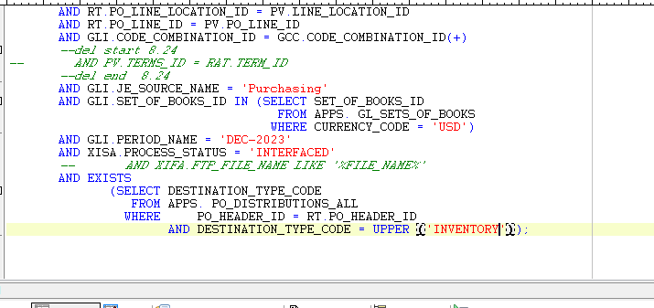

 | changed from 'EXPENSE' to 'INVENTORY' but the same period_name

 | Then query again to get the results of inventory

